TCFD
TCFD
TASK FORCE ON CLIMATE-RELATED FINANCIAL DISCLOSURES INDEX
 | Disclosure | Additional Guidance | MMG Response
GOVERNANCE | Create structure for board oversight of climate-related risks and opportunities | Formalise processes and frequency by which the board and/or board committees (e.g., audit, risk, or other committees) are informed about climate-related issues | MMG's Board is informed of progress towards ESG KPIs on a quarterly basis, which include climate risk & GHG emissions/predictions, via the Governance, Nomination, Remuneration and Sustainability (GNRS) committee. Bi-annual meetings with the MMG Board are held to discuss the MMG annual business plan, which includes MMG's progress against the Climate Strategy and associated issues.
 |  | Document processes used for board consideration of climate-related issues when reviewing and guiding strategy, major plans of action, risk management, annual budgets, and business plans | Climate issues are embedded within the Integrated Business Planning Framework, with specific actions associated with climate change resilience and/or decarbonisation documented in action plans, risk controls and budgets.
 |  | Evidence of how the board monitors and oversees progress against MMG's interim reduction target, long term target and emissions reductions activities | Quarterly meeting of the Board GNRS committee includes a standing agenda item on Sustainability KPIs, which include MMG's 2030 and 2050 climate targets, GHG emissions and site-specific initiatives. ABP climate projections include progress towards achieving interim and long term reduction targets. In addition to this a standalone, a deep-dive update and training session for the Board was delivered in late 2024 on MMG's Climate Strategy and progress towards our decarbonisation targets.
 | Climate risks & opportunities at management level | Assign climate-related responsibilities to management-level positions or committees that also inform the board | MMG's Code of Conduct and People Committe, an Executive Committee that reports to the CEO, is accountable for progress against the MMG Climate Strategy. This Committee meets 3-4 times a year and reports its progress to the GRNS Committee of the Board. The MMG Climate Strategy is owned by the General Manager Stakeholder Relations and Sustainability and the Head of Sustainability, with site General Managers each accountable for their own sites' performance against the Strategy. In addition, corporate level and individual asset business plans include accountabilities for climate-related actions down to the General Manager and Head/Manager level. MMG Standards and WQRs also include accountabilities.
 |  | Draw organisational structure clearly highlighting board/management oversight of climate issues | Organisational structure at the bottom of this page.
 |  | Document process by which management is informed of climate issues | Management is informed via a variety of processes which include: Strategy and Strategic Development Planning updates, annual risk process, Asset Business Planning output presentations, quarterly Sustainability presentation, including ESG KPIs update, Sustainability Materialisty Assessment, and annual Sustainability Report.

 | Disclosure | Additional Guidance | MMG Response
STRATEGY | Describe the climate related risks and opportunities the organization has identified over the short, medium, and long term. | Describe what MMG considers to be the relevant short-, medium-, and long-term time horizons, taking into consideration the useful life of the organization’s assets and the fact that climate-related issues often manifest themselves over the medium and longer terms | We understand that climate risks may arise in a long term horizon, that is why we assess risks from a life of mine perspective, including closure and post closure phases. We consider risks from very short (less than one year) to long term time horizons (above 50 years), as per the MMG risk standard and procedures.
 |  | Describe the specific climate-related issues potentially arising in each time horizon (short, medium, and long term) that could have a material financial impact | MMG sites undertake climate risk assessments yearly, including both transitional and physical risks. The material risks identified throughout our sites include: • Damage to mining, tailings and processing facilities • Higher or lower precipitation rates • Increased prices of key inputs for our operations • Increased stringency of environmental regulations • Potential difficulties in employing low emissions technologies to reach our interim target • Interruptions to supply chains and logistics routes (upstream and downstream) • Increased water stress and reduced water availability during drought Opportunities were also identified throughout sites: • Deploy low emissions technologies to reduce emissions • Increase in commodity demand because of the transition to a low carbon economy • Participation in carbon markets advances net zero goal • Talent attraction and enhancement of our corporate brand • Increased access to renewable energy supply • Leverage partnerships to accelerate decarbonisation • Improved energy efficiency from operational improvements and reduced carbon footprint The risks and opportunities were defined in each site through multidisciplinary workshops. Most risks identified are within medium to long time horizon. In LB, a physical scenario analysis was performed in 2022 evaluating precipitation and temperature in different IPCC RPCs. At a portfolio level we worked on a tailored guidance to assist our sites in developing transitional scenarios. We yearly update climate projections for each of our sites and used key inputs from our annual integrated business planning process to project emissions. These projections guide each site’s decarbonisation roadmap. An internal shadow carbon price was also set this year to assist our decision making and align our projects with our decarbonisation requirements. In 2025, MMG will be undertaking a company-wide risk and opportunity assessment for climate-related impacts. The results of this will be reported in the 2
...
Emissions per cat 2024 | Emissions tCO2e | Percentage
Scope 3 - Downstream transportation and distribution | 42,585.35 | 1%
Scope 3 - Fuel and energy related activities | 255,715.69 | 7%
Scope 3 - Scope 3 Spend-based | 440,840.64 | 11%
Scope 3 - Upstream transportation and distribution | 137,094.17 | 4%
Scope 3 - Downstream Waste | 6,508.73 | 0%
TOTAL MMG | 3,878,295.38 | 100%

MMG Total Emissions 2024

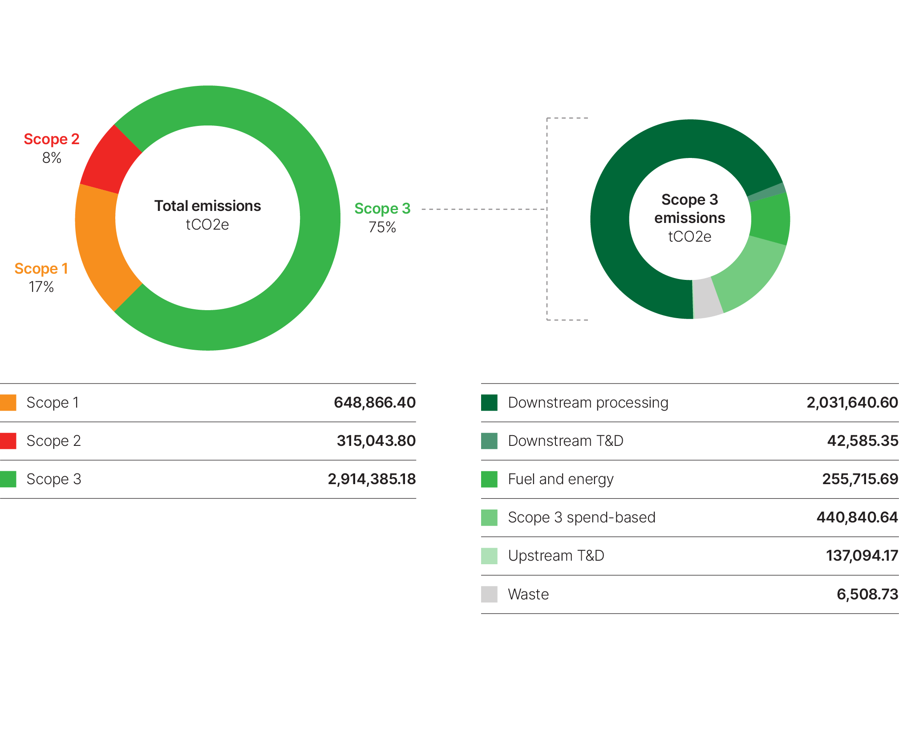

Organisational Structure - Highlighting Board & Management Oversight of Climate Issues:

